Sales by order date
Order date | Sum of Sales
2015 | 479856.2081
Jan | 14205.707
Feb | 4519.892
Mar | 55205.797
Apr | 27906.855
May | 23644.303
Jun | 34322.9356
Jul | 33781.543
Aug | 27117.5365
Sep | 81623.5268
Oct | 31453.393
Nov | 77907.6607
Dec | 68167.0585
2016 | 459436.0054
Jan | 18066.9576
Feb | 11951.411
Mar | 32339.3184
Apr | 34154.4685
May | 29959.5305
Jun | 23599.374
Jul | 28608.259
Aug | 36818.3422
Sep | 63133.606
Oct | 31011.7375
Nov | 75249.3995
Dec | 74543.6012
2017 | 600192.55
Jan | 18542.491
Feb | 22978.815
Mar | 51165.059
Apr | 38679.767
May | 56656.908
Jun | 39724.486
Jul | 38320.783
Aug | 30542.2003
Sep | 69193.3909
Oct | 59583.033
Nov | 79066.4958
Dec | 95739.121
2018 | 722052.0192
Jan | 43476.474
Feb | 19920.9974
Mar | 58863.4128
Apr | 35541.9101
May | 43825.9822
Jun | 48190.7277
Jul | 44825.104
Aug | 62837.848
Sep | 86152.888
Oct | 77448.1312
Nov | 117938.155
Dec | 83030.3888
Grand Total | 2261536.7827

sales by region & Category
Category and region | Sum of Sales
Furniture | 728658.5757
Central | 160317.4622
East | 206461.388
South | 116531.48
West | 245348.2455
Office Supplies | 705422.334
Central | 163590.243
East | 199940.811
South | 124424.771
West | 217466.509
Technology | 827455.873
Central | 168739.208
East | 263116.527
South | 148195.208
West | 247404.93
Grand Total | 2261536.7827

Month by Sales
Month by Sales
Months | Sum of Sales | MoM Change (%)
January | 94291.63 | #N/A
February | 59371.12 | -37%
March | 197573.59 | 233%
April | 136270.82 | -31%
May | 154086.72 | 13%
June | 145837.52 | -5%
July | 145535.69 | 0%
August | 157315.93 | 8%
September | 300050.96 | 91%
October | 199496.29 | -34%
November | 350173.89 | 76%
December | 321532.62 | -8%
Grand Total | 2261536.78 | 603%

Dashboard
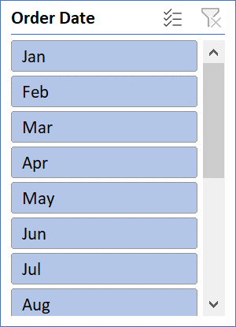
Title: Sales Performance Dashboard

Total Sales
$2,261,536.78
Top Region
1.Central
2. East
3. South
4. West
Top Product Category
1. Furniture
2. Office sales
3. Technology
Best Month
November
( month with highest sales )
MoM Growth Rate
603%

Category and region | Sum of Sales
Furniture | 728658.5757
Central | 160317.4622
East | 206461.388
South | 116531.48
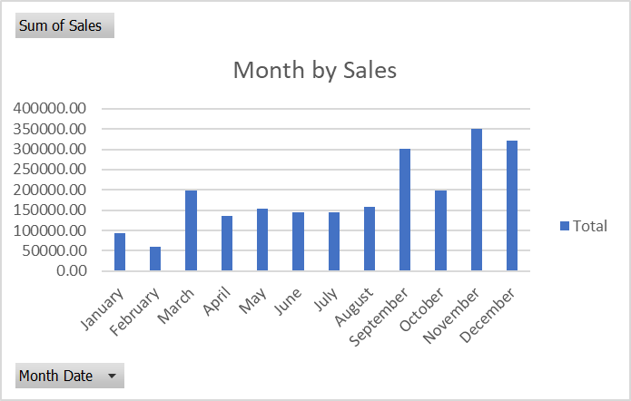
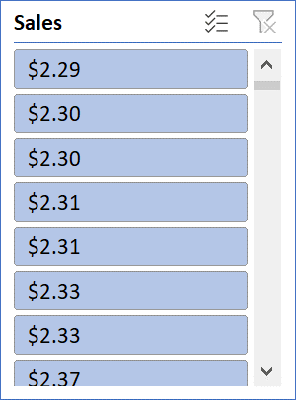
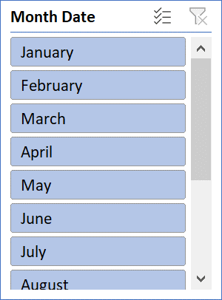
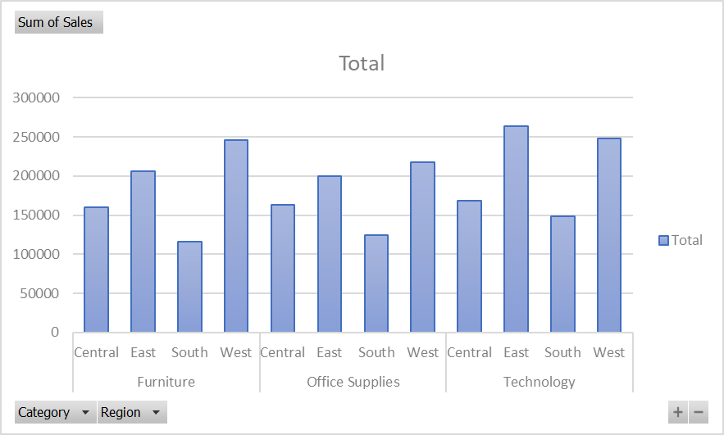
West | 245348.2455
Office Supplies | 705422.334
Central | 163590.243
East | 199940.811
South | 124424.771
West | 217466.509
Technology | 827455.873
Central | 168739.208
East | 263116.527
South | 148195.208
West | 247404.93
Grand Total | 2261536.7827

